Covering Page
Web application Security Report
Application Name |  | Home Stay Portal Application
Type of Application | Web Application | http://homestay.hp.gov.in/
Version |  | 1.0
Setup |  | Prehosting
Testing Type |  | Manual
Assessment Type |  | Grey box
Start date of Assessment |  | 2025-12-22
Draft report |  | 2025-12-24
Final Report

Disclaimer
1. By reading the report, the reader accepts the terms and conditions mentioned here under agreement.
2. This is a draft report of Home Stay Portal Application based on the scope of assignment as per the Work order / Contract.
3. This report is solely for the information of and use of the Management of http://homestay.hp.gov.in/ and should not be used, circulated, quoted or otherwise referred to for any other purpose, nor included or referred to in whole or in part in any document without our prior written consent.Our conclusions provided are for a point in time and are subject to the risk that changes made to the systems or controls, or the failure to make needed changes to system or controls may alter the validity of such conclusion. The gaps identified in this report are based on the technical review conducted by BDO India Services Private Limited. We made specific efforts to verify the accuracy and authenticity of the information gathered only in those cases where it was felt necessary.
4. In carrying out our work and preparing the report, we have worked for http://homestay.hp.gov.in/ purposes only. Consequently, we make no representation regarding the sufficiency of the procedures performed either for the purpose for which the report has been requested or for any other purpose.
5. Further our report may not have considered issues relevant to any third parties, any use such third parties may choose to make our report is entirely at their own risk and we shall have no responsibility whatsoever in relation to such use. BDO India Services Private Limited, including its affiliates, partners, employees, agents, and subcontractors, accepts no responsibility and shall have no liability or duty of care in contract, tort or otherwise to you or any other third party in relation to the contents of the report.
6. The recommendations provided in this report should be tested in a test environment prior to implementation in the production environment and following points should be considered:
-It is recommended to implement SSL on the server as required.
-It is recommended to get the Web Site re-audited if there is any change at the content or code level.
-For other open points User department, HPSDC Operator and DDT&G/ SITEG may discuss and close the same; This being not a part of TPA scope therefore HPSDC Operator may complete this activity as per their contractual terms.
-It is also suggested that concern department/ HPSDC Operator should make required changes if any as per "Secure Development guidelines" and also follow IT Policy/ GIGW accordingly.
-It is suggested that UAT of the same may be done to make sure that no sensitive information / threat is being exported / delivered by the website. Also the same may be taken out from live envirnonment once use of the this web site is completed.
-It is highly recommended to change the password within every 45 days.
7. Also it is intimated that new vulnerabilities may get highlighted / identified in later stage as this web site may get quarterly re-audited as per http://homestay.hp.gov.in/ audit cycle.
8. In no circumstances shall we be liable to the Client or any Third Party, for any loss or damage, of whatsoever nature, arising from or in connection with the Draft Report.
9. Any functionality issue in web application should reported by application developer and tester.We are only doing Security Audit of this application.

VA Chart
Risk Summary
High | Medium | Low | Total
1 | 3 | 7 | 11
Home Stay Portal Application

POC 1
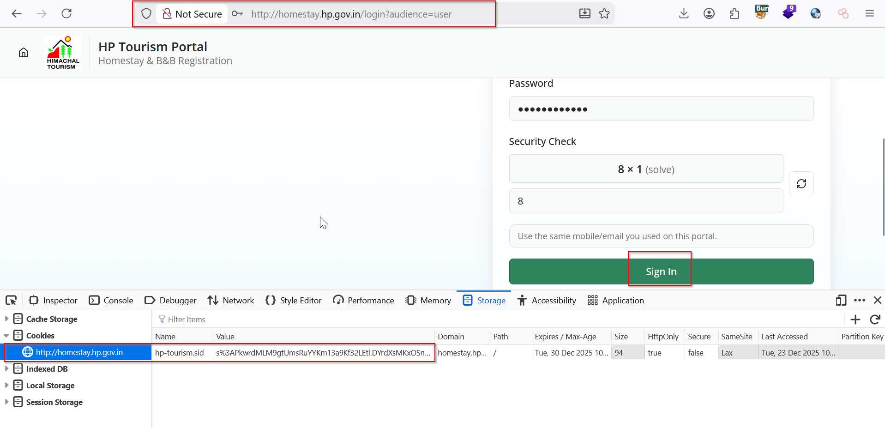
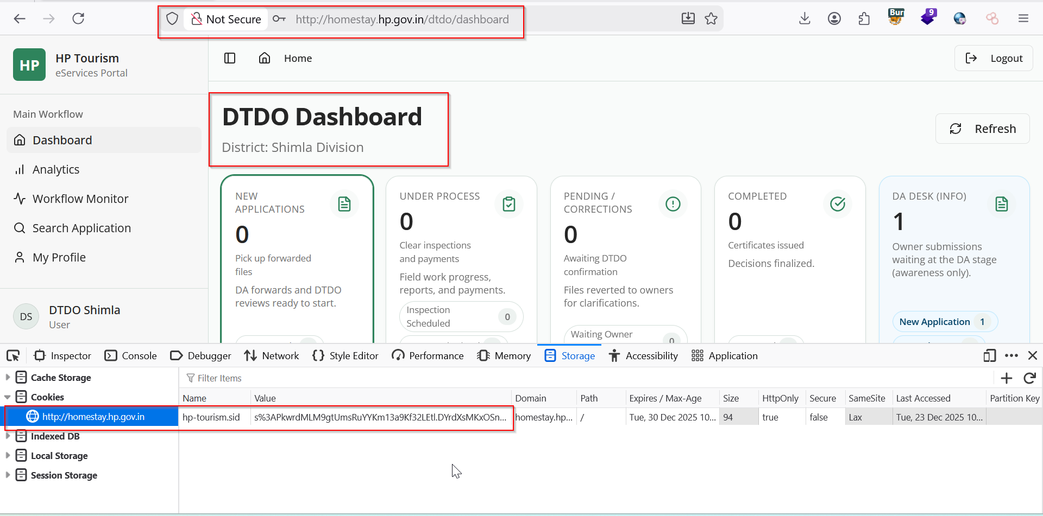
Vulnerability 1: Session Fixation

POC 2
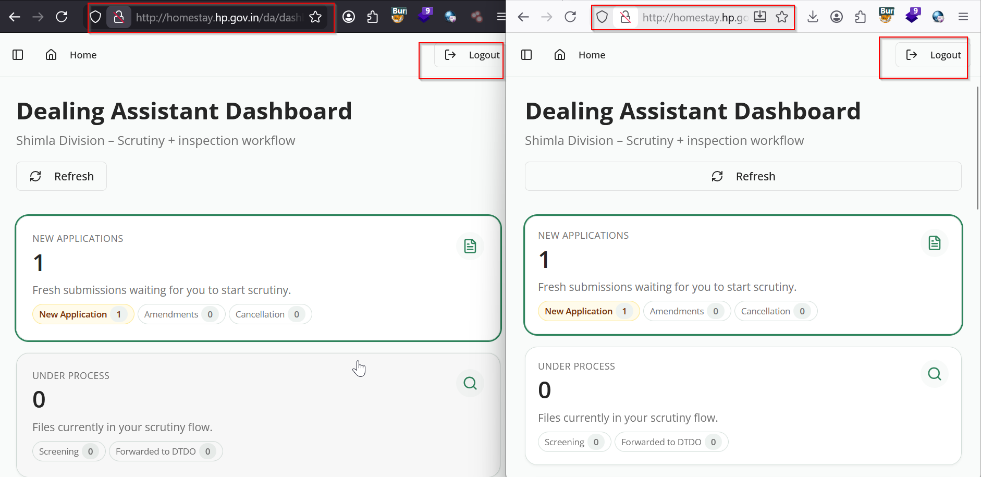
Vulnerability 2: Concurrent Login

POC 3
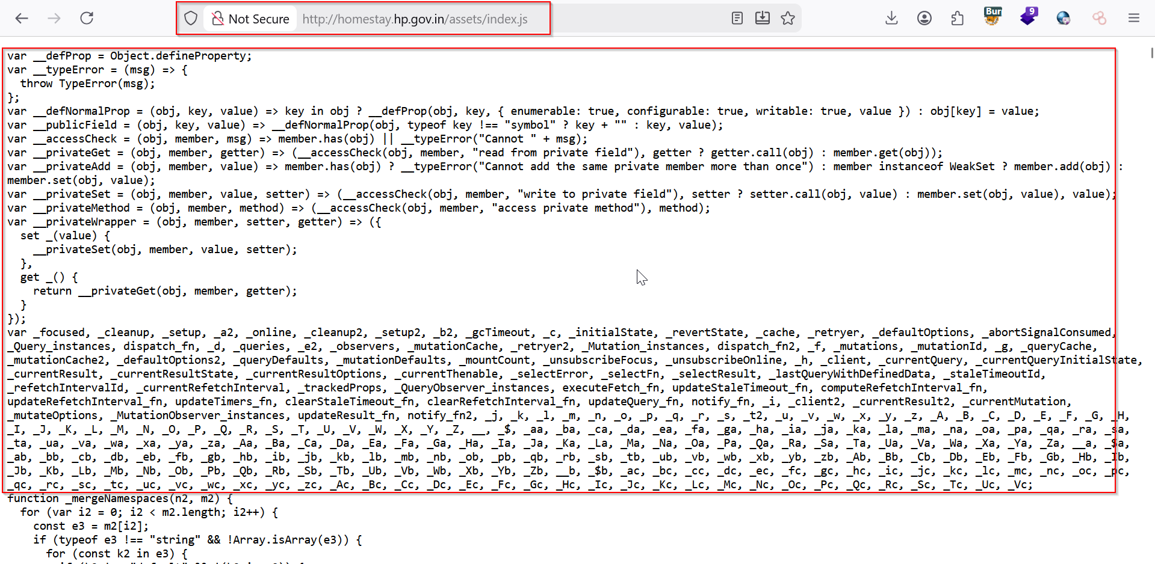
Vulnerability 3: Documentation file

POC 4
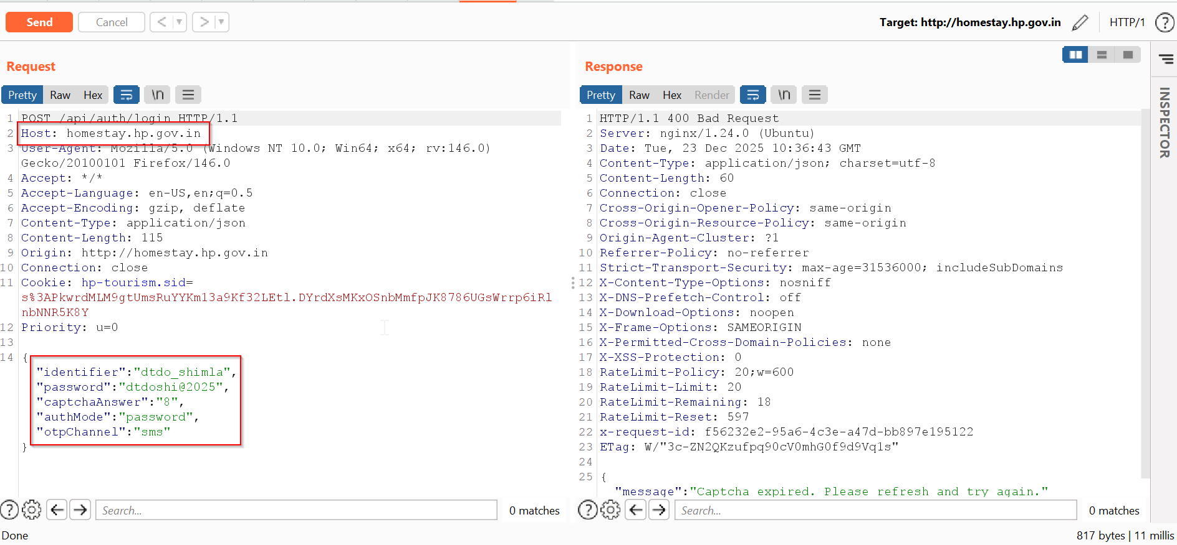
Vulnerability 4: Clear text submission of USERID

POC 5
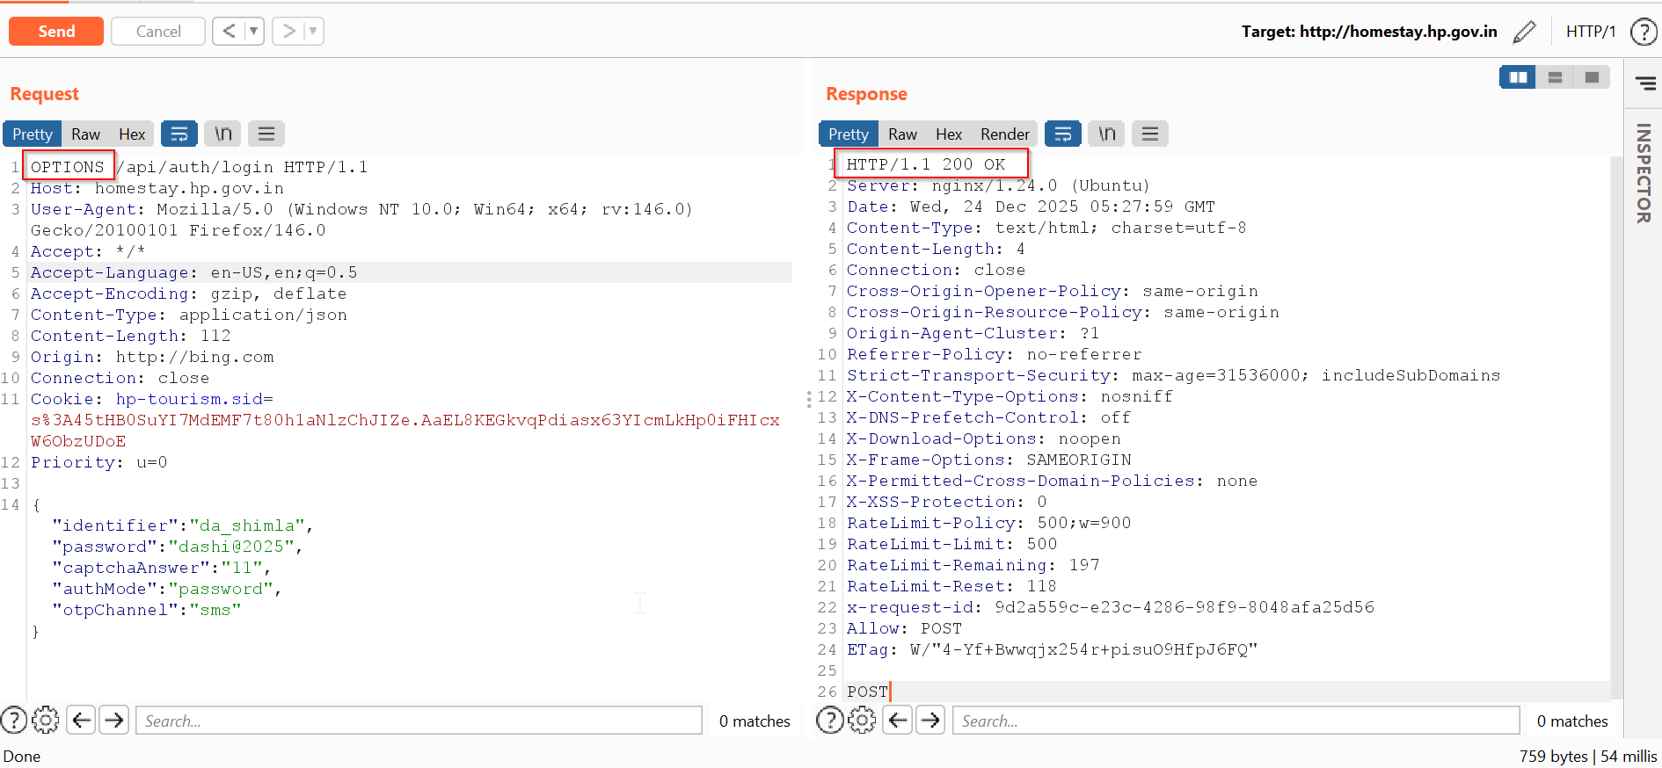
Vulnerability 5: OPTIONS Method is Enabled

POC 6
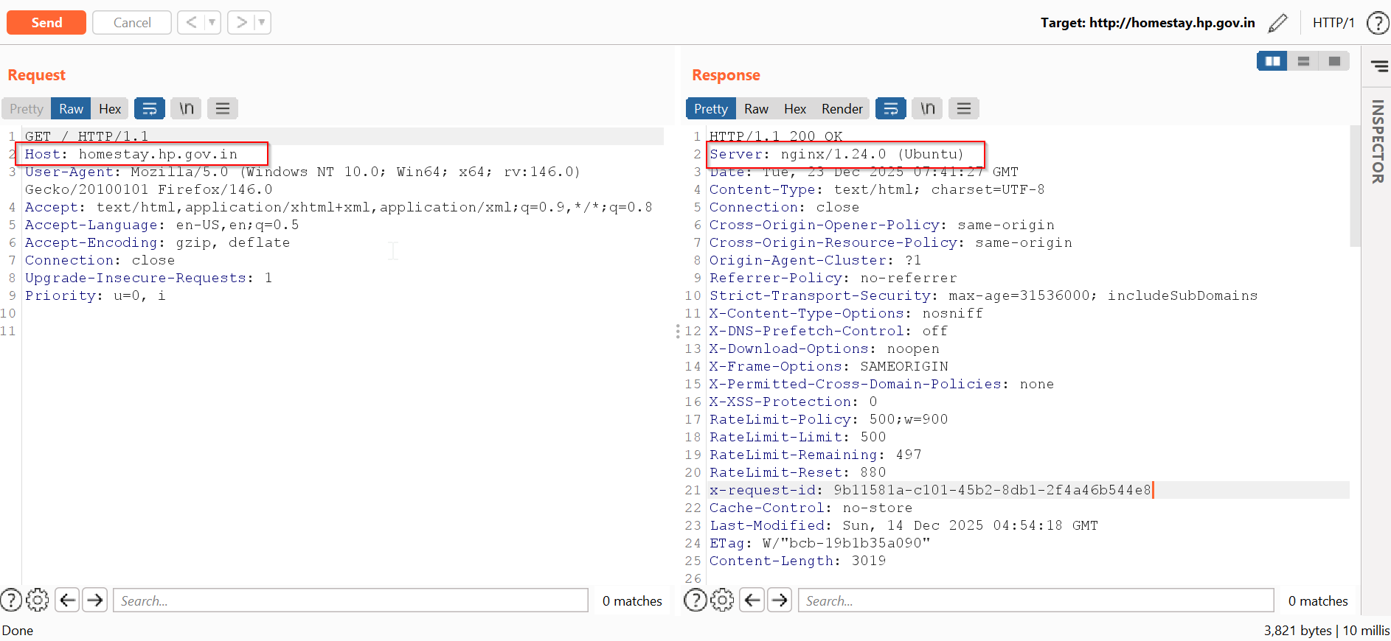
Vulnerability 6: Server Version & Technology Version disclosure

POC 7
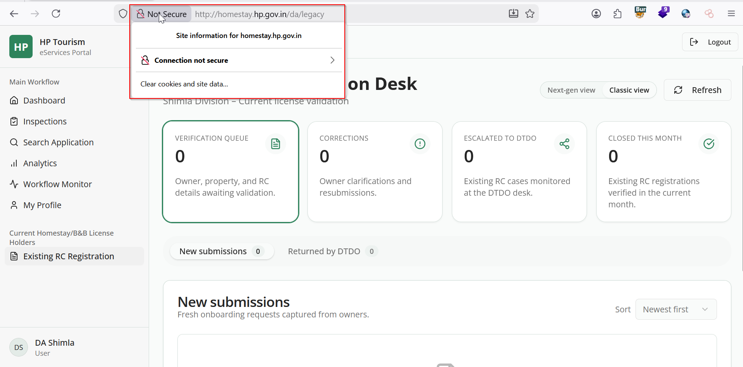
Vulnerability 7: Unencrypted Communication

POC 8
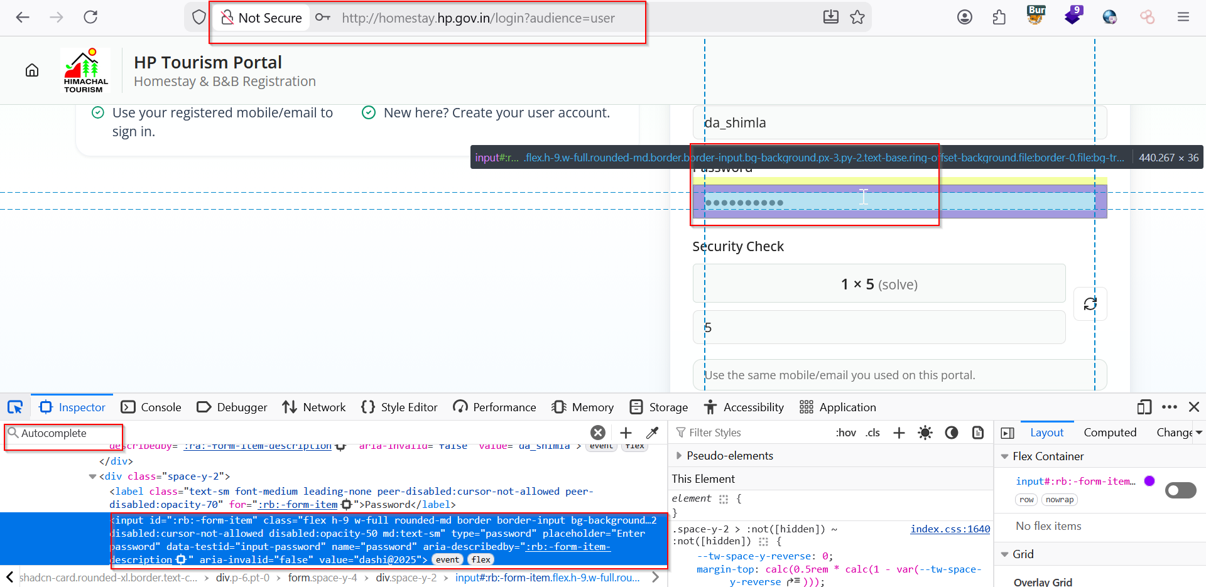
Vulnerability 8: Auto Complete Feature is Enabled

POC 9
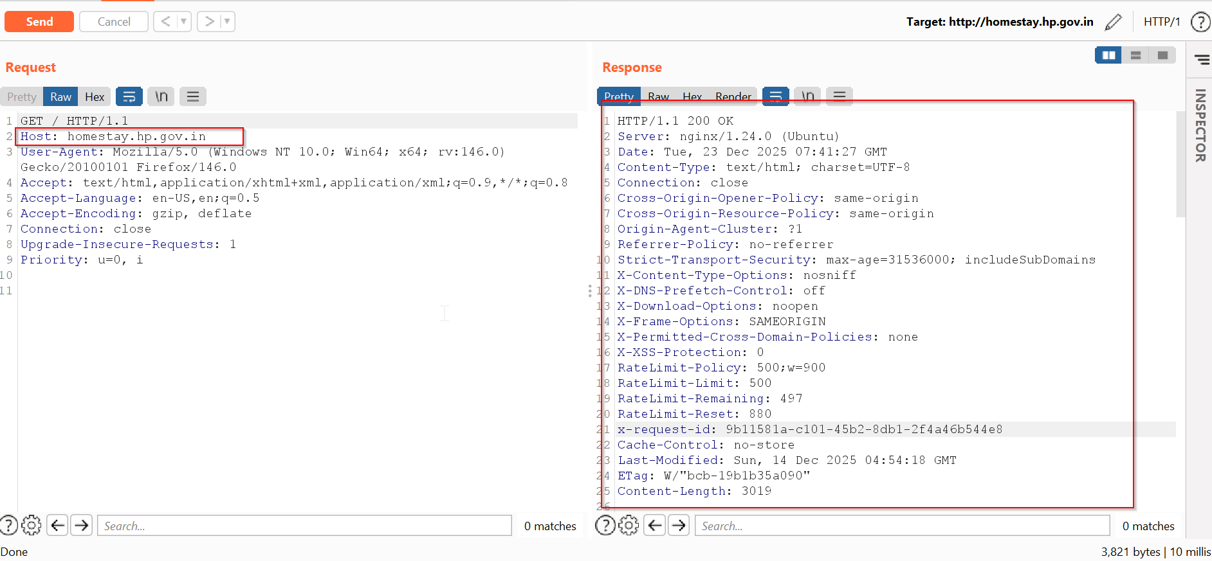
Vulnerability 9: Content Security Policy (CSP) Header Not Set

POC 10
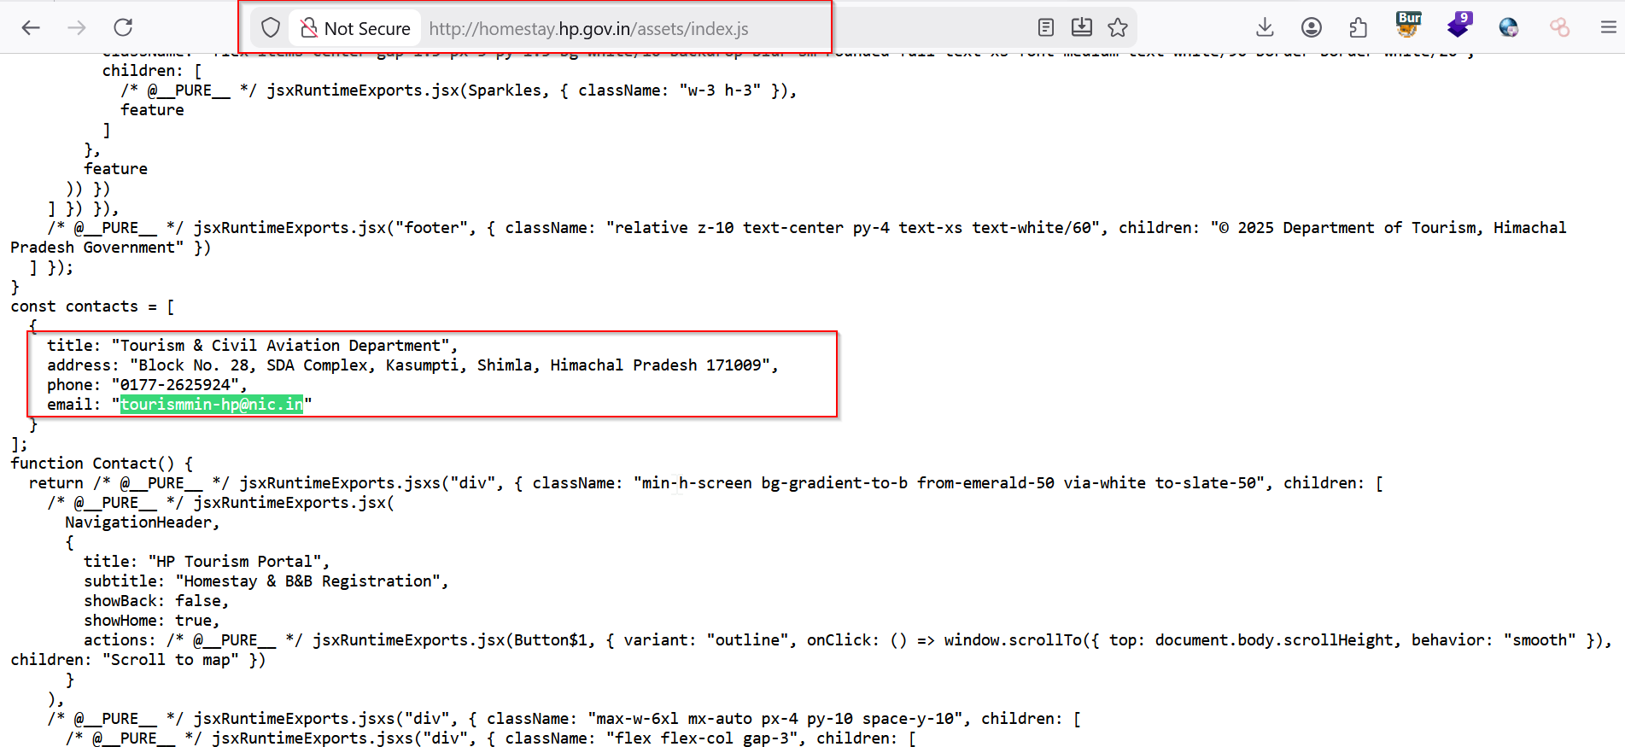
Vulnerability 10: Email Addresses Disclosed

POC 11
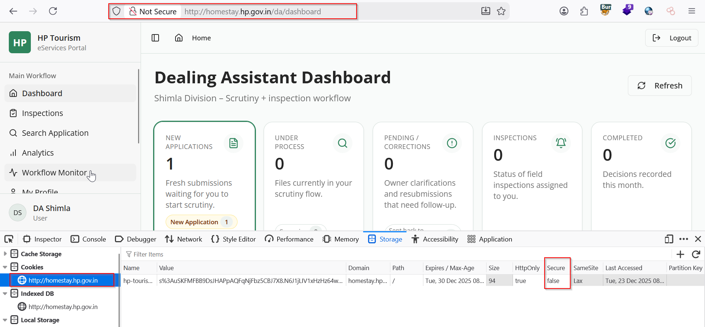
Vulnerability 11: Cookie Without Secure Flag Set

